Signup
Date | 18/11/2024
ID | Related TC | Title | Description | Steps to reproduce | Test data | Expected results | Actual results | Screenshots / videos | Priority | Status
B001 | TC004 | The signup page responds to multiple requests (Spam). | The signup button shouldn't be clickable after sending first request, or signup page shouldn't be affected by multiple requests when pressing 'signup' button multiple times till the response is brought. | 1-Goto to signup page using this link:https://automationexercise.com/login 2-Fill name with valid data. 3-Fill email address with valid data. 4-Click on signup button multiple times. | 1-Name: Test 2-Email Address: MoTesting@gmail.com | 1-The "Signup" button shouldn't be clickable after first request. 2-The system shouldn't crash or be affected with multiple request. | 1-The signup button is clickable after sending first request. 2-The system responds to multiple requests but there is no crash. | signup spam.mp4 | High | Opened
B002 | TC009 | The signup information page has no password constraints. | When trying to signup with empty password an error message appears to ask the user to fill this field without informing any password constraints. This is considered as security vulnerabilities. | 1-Goto to signup page using this link:https://automationexercise.com/login 2-Enter a valid name and email address. 3-Click signup button. 4-Choose 'Mr' from title. 5-keep password field empty. 6-Fill first name with valid data. 7-Fill last name with valid data. 8-Fill address with valid data. 9-Choose 'Country' with valid data. 10-Fill 'State' with valid data. 11-Fill 'City' with valid data. 12-Fill 'Zipcode' with valid data. 13-Fill 'Mobile Number' with valid data. 14-Click on 'Create Account'. | 1-Name: Test 2-Email Address: MoTesting@gmail.com 3-Password: keep empty 4-First name: Mo 5-Last name: Test 6-Address: Test street, 10 Box 7-Country: United States 8-state: California 9-city: Los Angeles 10-Zip Code: 31217 11-Mobile Number: 5615557689 | 1-Signup should fail. 2-An error message associated to password should appear. 3-This message should be clear and readable. 4-The message content should be "Please fill out this field" and also contains password constraints for security. | 1-Signup failed. 2-An error message associated to password appears. 3-This message is clear and readable. 4-The message content is "Please fill out this field" but doesn't contain any password constraints for security. | 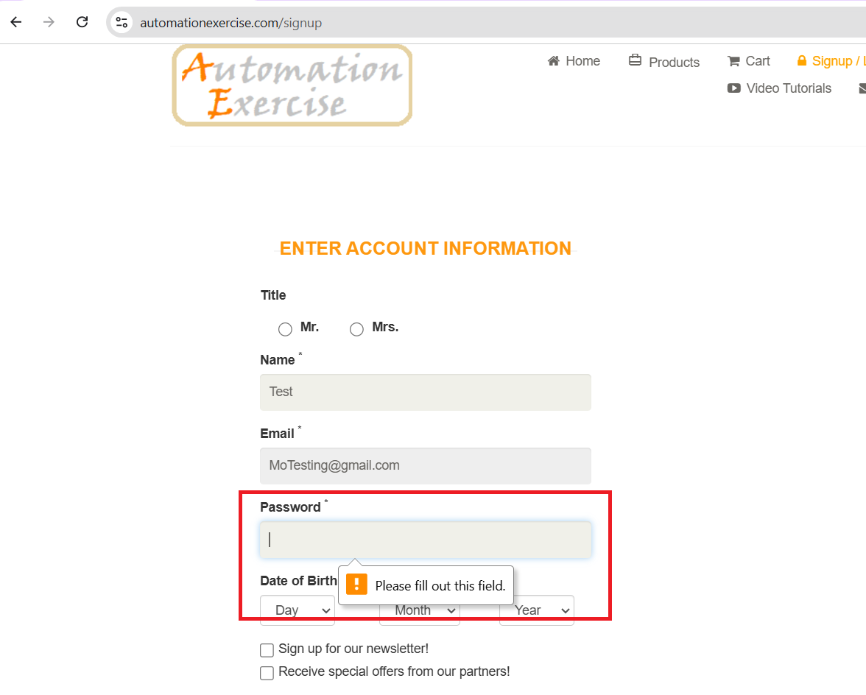 | High | Opened
B003 | TC010 | User can signup correctly when using an invalid password that contains only one number. | Signup shouldn't be done correctly when user uses a password that contain just only one number. This may lead to security vulnerabilities. | 1-Goto to signup page using this link:https://automationexercise.com/login 2-Enter a valid name and email address. 3-Click signup button. 4-Choose 'Mr' from title. 5-Fill password with invalid data. 6-Fill first name with valid data. 7-Fill last name with valid data. 8-Fill address with valid data. 9-Choose 'Country' with valid data. 10-Fill 'State' with valid data. 11-Fill 'City' with valid data. 12-Fill 'Zipcode' with valid data. 13-Fill 'Mobile Number' with valid data. 14-Click on 'Create Account'. | 1-Name: Test 2-Email Address: MoTesting@gmail.com1-Password: 1 3-First name: Mo 4-Last name: Test 5-Address: Test street, 10 Box 6-Country: United States 7-state: California 8-city: Los Angeles 9-Zip Code: 31217 10-Mobile Number: 5615557689 | 1-Signup should fail. 2-An error message associated to password should appear to inform user with password constraints. 3-This message should be clear and readable. | Signup is done correctly. | One number password.mp4 | High | Opened
B004 | TC011 | User can signup correctly when using an invalid password that contains only spaces. | Signup shouldn't be done correctly when user uses a password that contain just only spaces. Password field shouldn't accept even one space. This may lead to security vulnerabilities. | 1-Goto to signup page using this link:https://automationexercise.com/login 2-Enter a valid name and email address. 3-Click signup button. 4-Choose 'Mr' from title. 5-Fill password with invalid data. 6-Fill first name with valid data. 7-Fill last name with valid data. 8-Fill address with valid data. 9-Choose 'Country' with valid data. 10-Fill 'State' with valid data. 11-Fill 'City' with valid data. 12-Fill 'Zipcode' with valid data. 13-Fill 'Mobile Number' with valid data. 14-Click on 'Create Account'. | 1-Name: Test 2-Email Address: MoTesting@gmail.com 3-Password: " " 4-First name: Mo 5-Last name: Test 6-Address: Test street, 10 Box 7-Country: United States 8-state: California 9-city: Los Angeles 10-Zip Code: 31217 11-Mobile Number: 5615557689 | 1-Signup should fail. 2-An error message associated to password should appear to inform user with password constraints. 3-This message should be clear and readable. | Signup is done correctly. | Spaces password.mp4 | High | Opened
B005 | - | There is no field for password confirmation. | User can submit his password without confirming it. So if the user submitted a wrong password, than wanted he will not be informed till trying to login. | 1-Goto to signup page using this link:https://automationexercise.com/login 2-Enter a valid name and email address. 3-Click signup button. 4-Choose 'Mr' from title. 5-Fill password with invalid data. | 1-Name: Test 2-Email Address: MoTesting@gmail.com 3-Password: 123Test | User should confirm his assword in another field. | There is no filed for password confirmation. | 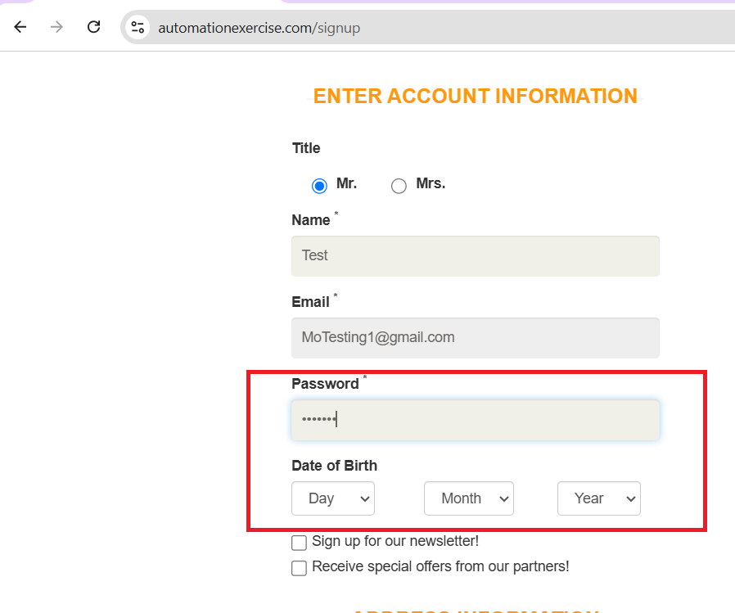 | Medium | Opened
B006 | TC019 | Country dropdown list is limited with just 6 countries. | The country dropdown list should contain a large variety of countries to choose from, but it is just limited to specific 6 countries. | 1-Goto to signup page using this link:https://automationexercise.com/login 2-Enter a valid name and email address. 3-Click signup button. 4-Click on 'Country' field. | 1-Name: Test 2-Email Address: MoTesting@gmail.com | 1-The 'Country' field should be clickable. 2-A dropdown list of countries should appear. 3-This dropdown list should contain a large variety of countries to choose from. | 1-The 'Country' field is clickable. 2-A dropdown list of countries appears. 3-This dropdown list is limited with just 7 countries. | 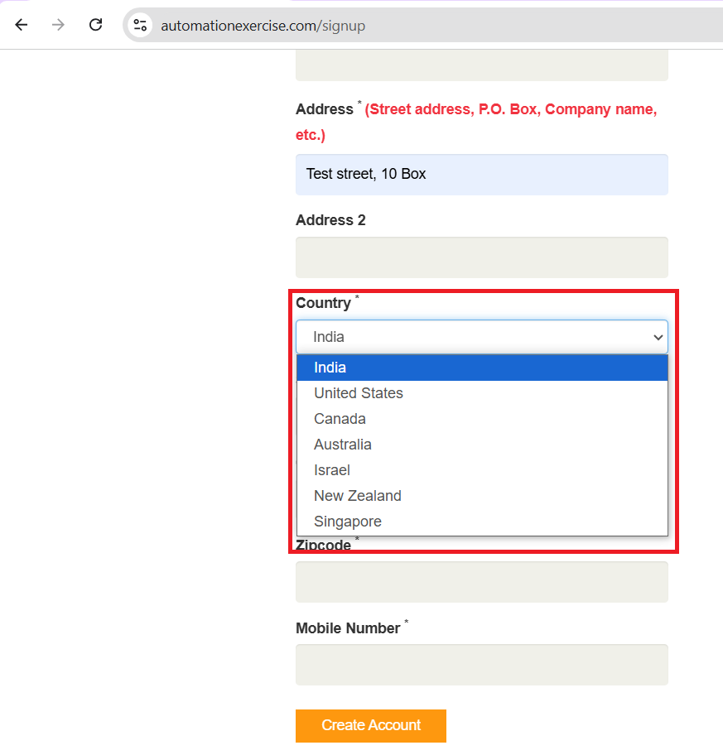 | Medium | Opened
B007 | TC022 | State' field accepts invalid data that contains numbers and special characters. | signup shouldn't be done when using numbers and special characters instead of letters in 'State' field. Code should be handled to reject these invalid data. | 1-Goto to signup page using this link:https://automationexercise.com/login 2-Enter a valid name and email address. 3-Click signup button. 4-Choose 'Mr' from title. 5-Fill password with valid data. 6-Fill 'Day of Birth' with valid data. 7-Fill first name with valid data. 8-Fill Last name with valid data. 9-Fill address with valid data. 10-Choose 'Country' with valid data. 11-Fill 'State' invalid data. 12-Fill 'City' with valid data. 13-Fill 'Zipcode' with valid data. 14-Fill 'Mobile Number' with valid data. 15-Click on 'Create Account'. | 1-Name: Test 2-Email Address: MoTesting@gmail.com 3-Password: 123Test 4-First name: Mo 5-Last name: Test 6-Address: Test street, 10 Box 7-Country: United States 8-state: 123!45$ 9-city: Los Angeles 10-Zip Code: 31217 11-Mobile Number: 5615557689 | 1-Signup should fail. 2-An error message associated with 'State' field should appear or just the field shouldn't accept this invalid data. | Signup is done correctly. | State bug1.mp4 | High | Opened
B008 | TC023 | State' field accepts invalid data that contains only spaces. | signup shouldn't be done when using only spaces instead of letters in 'State' field. Code should be handled to reject these invalid data. | 1-Goto to signup page using this link:https://automationexercise.com/login 2-Enter a valid name and email address. 3-Click signup button. 4-Choose 'Mr' from title. 5-Fill password with valid data. 6-Fill 'Day of Birth' with valid data. 7-Fill first name with valid data. 8-Fill Last name with valid data. 9-Fill address with valid data. 10-Choose 'Country' with valid data. 11-Fill 'State' invalid data. 12-Fill 'City' with valid data. 13-Fill 'Zipcode' with valid data. 14-Fill 'Mobile Number' with valid data. 15-Click on 'Create Account'. | 1-Name: Test 2-Email Address: MoTesting@gmail.com 3-Password: 123Test 4-First name: Mo 5-Last name: Test 6-Address: Test street, 10 Box 7-Country: United States 8-state: ' ' 9-city: Los Angeles 10-Zip Code: 31217 11-Mobile Number: 5615557689 | 1-Signup should fail. 2-An error message associated with 'State' field should appear or just the field shouldn't accept this invalid data. | Signup is done correctly. | State bug2.mp4 | High | Opened
B009 | TC025 | City' field accepts invalid data that contains numbers and special characters. | signup shouldn't be done when using numbers and special characters instead of letters in 'City' field. Code should be handled to reject these invalid data. | 1-Goto to signup page using this link:https://automationexercise.com/login 2-Enter a valid name and email address. 3-Click signup button. 4-Choose 'Mr' from title. 5-Fill password with valid data. 6-Fill 'Day of Birth' with valid data. 7-Fill first name with valid data. 8-Fill Last name with valid data. 9-Fill address with valid data. 10-Choose 'Country' with valid data. 11-Fill 'State' valid data. 12-Fill 'City' with invalid data. 13-Fill 'Zipcode' with valid data. 14-Fill 'Mobile Number' with valid data. 15-Click on 'Create Account'. | 1-Name: Test 2-Email Address: MoTesting@gmail.com 3-Password: 123Test 4-First name: Mo 5-Last name: Test 6-Address: Test street, 10 Box 7-Country: United States 8-state: California 9-city: 123!456# 10-Zip Code: 31217 11-Mobile Number: 5615557689 | 1-Signup should fail. 2-An error message associated with 'City' field should appear or just the field shouldn't accept this invalid data. | Signup is done correctly. | City bug1.mp4 | High | Opened
B010 | TC026 | City' field accepts invalid data that contains only spaces. | signup shouldn't be done when using only spaces instead of letters in 'City' field. Code should be handled to reject these invalid data. | 1-Goto to signup page using this link:https://automationexercise.com/login 2-Enter a valid name and email address. 3-Click signup button. 4-Choose 'Mr' from title. 5-Fill password with valid data. 6-Fill 'Day of Birth' with valid data. 7-Fill first name with valid data. 8-Fill Last name with valid data. 9-Fill address with valid data. 10-Choose 'Country' with valid data. 11-Fill 'State' valid data. 12-Fill 'City' with invalid data. 13-Fill 'Zipcode' with valid data. 14-Fill 'Mobile Number' with valid data. 15-Click on 'Create Account'. | 1-Name: Test 2-Email Address: MoTesting@gmail.com 3-Password: 123Test 4-First name: Mo 5-Last name: Test 6-Address: Test street, 10 Box 7-Country: United States 8-state: California 9-city: ' ' 10-Zip Code: 31217 11-Mobile Number: 5615557689 | 1-Signup should fail. 2-An error message associated with 'City' field should appear or just the field shouldn't accept this invalid data. | Signup is done correctly. | City bug2.mp4 | High | Opened
B011 | TC027 | Zipcode' field accepts invalid data that consists of 4 digits. | User shouldn't signup correctly when using zipcode that consists of only 4 digits. This is not accepted as zipcode must consist of 5 digits. | 1-Goto to signup page using this link:https://automationexercise.com/login 2-Enter a valid name and email address. 3-Click signup button. 4-Choose 'Mr' from title. 5-Fill password with valid data. 6-Fill 'Day of Birth' with valid data. 7-Fill first name with valid data. 8-Fill Last name with valid data. 9-Fill address with valid data. 10-Choose 'Country' with valid data. 11-Fill 'State' valid data. 12-Fill 'City' with valid data. 13-Fill 'Zipcode' with invalid data. 14-Fill 'Mobile Number' with valid data. 15-Click on 'Create Account'. | 1-Name: Test 2-Email Address: MoTesting@gmail.com 3-Password: 123Test 4-First name: Mo 5-Last name: Test 6-Address: Test street, 10 Box 7-Country: United States 8-state: California 9-city: Los Angeles 10-Zip Code: 3121 11-Mobile Number: 5615557689 | 1-Signup should fail. 2-An error message associated with 'Zipcode' field's length should appear. 3-This message should be clear and readable. 4-The message content should be: "This field should contain 5 digits". | Signup is done correctly. | Zipcode bug1.mp4 | High | Opened
B012 | TC028 | Zipcode' field accepts invalid data that consists of 6 digits. | User shouldn't signup correctly when using zipcode that consists of only 6 digits. This is not accepted as zipcode must consist of 5 digits. | 1-Goto to signup page using this link:https://automationexercise.com/login 2-Enter a valid name and email address. 3-Click signup button. 4-Choose 'Mr' from title. 5-Fill password with valid data. 6-Fill 'Day of Birth' with valid data. 7-Fill first name with valid data. 8-Fill Last name with valid data. 9-Fill address with valid data. 10-Choose 'Country' with valid data. 11-Fill 'State' valid data. 12-Fill 'City' with valid data. 13-Fill 'Zipcode' with invalid data. 14-Fill 'Mobile Number' with valid data. 15-Click on 'Create Account'. | 1-Name: Test 2-Email Address: MoTesting@gmail.com 3-Password: 123Test 4-First name: Mo 5-Last name: Test 6-Address: Test street, 10 Box 7-Country: United States 8-state: California 9-city: Los Angeles 10-Zip Code: 312178 11-Mobile Number: 5615557689 | 1-Signup should fail. 2-An error message associated with 'Zipcode' field's length should appear. 3-This message should be clear and readable. 4-The message content should be: "This field should contain 5 digits". | Signup is done correctly. | Zipcode bug2.mp4 | High | Opened
B013 | TC029 | Zipcode' field accepts invalid data that contain letters and special characters. | User shouldn't signup successfully when using zipcode that contains letters or specific characters. This is not accepted as zipcode must consist of 5 digits of only numbers. | 1-Goto to signup page using this link:https://automationexercise.com/login 2-Enter a valid name and email address. 3-Click signup button. 4-Choose 'Mr' from title. 5-Fill password with valid data. 6-Fill 'Day of Birth' with valid data. 7-Fill first name with valid data. 8-Fill Last name with valid data. 9-Fill address with valid data. 10-Choose 'Country' with valid data. 11-Fill 'State' valid data. 12-Fill 'City' with valid data. 13-Fill 'Zipcode' with invalid data. 14-Fill 'Mobile Number' with valid data. 15-Click on 'Create Account'. | 1-Name: Test 2-Email Address: MoTesting@gmail.com 3-Password: 123Test 4-First name: Mo 5-Last name: Test 6-Address: Test street, 10 Box 7-Country: United States 8-state: California 9-city: Los Angeles 10-Zip Code: ab#cd% 11-Mobile Number: 5615557689 | 1-Signup should fail. 2-An error message associated with 'Zipcode' field should appear indicating that this field accepts numbers only . 3-This message should be clear and readable. | Signup is done correctly. | Zipcode bug3.mp4 | High | Opened
B014 |  | Zipcode' field accepts invalid data that contain only spaces. | User shouldn't signup successfully when using zipcode that contains only letters. This is not accepted as zipcode must consist of 5 digits of only numbers. | 1-Goto to signup page using this link:https://automationexercise.com/login 2-Enter a valid name and email address. 3-Click signup button. 4-Choose 'Mr' from title. 5-Fill password with valid data. 6-Fill 'Day of Birth' with valid data. 7-Fill first name with valid data. 8-Fill Last name with valid data. 9-Fill address with valid data. 10-Choose 'Country' with valid data. 11-Fill 'State' valid data. 12-Fill 'City' with valid data. 13-Fill 'Zipcode' with invalid data. 14-Fill 'Mobile Number' with valid data. 15-Click on 'Create Account'. | 1-Name: Test 2-Email Address: MoTesting@gmail.com 3-Password: 123Test 4-First name: Mo 5-Last name: Test 6-Address: Test street, 10 Box 7-Country: United States 8-state: California 9-city: Los Angeles 10-Zip Code: ' ' 11-Mobile Number: 5615557689 | 1-Signup should fail. 2-An error message associated with 'Zipcode' field should appear indicating that this field accepts numbers only . 3-This message should be clear and readable. | Signup is done correctly. | Zipcode bug4.mp4 | High | Opened
B015 | TC032 | User can signup successfully with a mobile number that isn't related to the selected country. | User shouldn't signup successfully hen using a mobile number that isn't related to the submitted country. There should be some restrictions on mobile number field to handle this behaviour. | 1-Goto to signup page using this link:https://automationexercise.com/login 2-Enter a valid name and email address. 3-Click signup button. 4-Choose 'Mr' from title. 5-Fill password with valid data. 6-Fill 'Day of Birth' with valid data. 7-Fill first name with valid data. 8-Fill Last name with valid data. 9-Fill address with valid data. 10-Choose 'Country' with valid data. 11-Fill 'State' valid data. 12-Fill 'City' with valid data. 13-Fill 'Zipcode' with valid data. 14-Fill 'Mobile Number' with invalid data. 15-Click on 'Create Account'. | 1-Name: Test 2-Email Address: MoTesting@gmail.com 3-Password: 123Test 4-First name: Mo 5-Last name: Test 6-Address: Test street, 10 Box 7-Country: United States 8-state: California 9-city: Los Angeles 10-Zip Code: 31217 11-Mobile Number: 01028452415 | 1-Signup should fail. 2-An error message associated with 'Mobile Number' field should appear. 3-This message should be clear and readable. 4-The message's content should indicate that the mobile number format isn't related to selected county. | Signup is done successfully. | Mobile Number bug1.mp4 | High | Opened
B016 | TC033 | User can signup successfully with an invalid mobile number format that contains letters and special characters. | User shouldn't signup successfully when using an invalid mobile number format that contains letters or specific characters or both of them. There should be some restrictions on mobile number field to handle this behaviour as it must accept only numbers. | 1-Goto to signup page using this link:https://automationexercise.com/login 2-Enter a valid name and email address. 3-Click signup button. 4-Choose 'Mr' from title. 5-Fill password with valid data. 6-Fill 'Day of Birth' with valid data. 7-Fill first name with valid data. 8-Fill Last name with valid data. 9-Fill address with valid data. 10-Choose 'Country' with valid data. 11-Fill 'State' valid data. 12-Fill 'City' with valid data. 13-Fill 'Zipcode' with valid data. 14-Fill 'Mobile Number' with invalid data. 15-Click on 'Create Account'. | 1-Name: Test 2-Email Address: MoTesting@gmail.com 3-Password: 123Test 4-First name: Mo 5-Last name: Test 6-Address: Test street, 10 Box 7-Country: United States 8-state: California 9-city: Los Angeles 10-Zip Code: 31217 11-Mobile Number: abc!#fghijk | 1-Signup should fail. 2-An error message associated with 'Mobile Number' field should appear. 3-This message should be clear and readable. 4-The message's content should indicate that this field accepts only numbers. | Signup is done successfully. | Mobile Number bug2.mp4 | High | Opened
B017 | TC034 | User can signup successfully with an invalid mobile number format that contains only spaces. | User shouldn't signup successfully when using an invalid mobile number format that contains only spaces. There should be some restrictions on mobile number field to handle this behaviour as it must accept only numbers. | 1-Goto to signup page using this link:https://automationexercise.com/login 2-Enter a valid name and email address. 3-Click signup button. 4-Choose 'Mr' from title. 5-Fill password with valid data. 6-Fill 'Day of Birth' with valid data. 7-Fill first name with valid data. 8-Fill Last name with valid data. 9-Fill address with valid data. 10-Choose 'Country' with valid data. 11-Fill 'State' valid data. 12-Fill 'City' with valid data. 13-Fill 'Zipcode' with valid data. 14-Fill 'Mobile Number' with invalid data. 15-Click on 'Create Account'. | 1-Name: Test 2-Email Address: MoTesting@gmail.com 3-Password: 123Test 4-First name: Mo 5-Last name: Test 6-Address: Test street, 10 Box 7-Country: United States 8-state: California 9-city: Los Angeles 10-Zip Code: 31217 11-Mobile Number: ' ' | 1-Signup should fail. 2-An error message associated with 'Mobile Number' field should appear. 3-This message should be clear and readable. 4-The message's content should indicate that this field accepts only numbers. | Signup is done successfully. | Mobile number bug3.mp4 | High | Opened
B018 | TC040 | The page crashes when user click on 'Create Account' multiple times at at time (Spam). | The system resonse should be handled regarding rapid multiple updated requests. system should respond to first request only till the request's response is brought successfully. | 1-Fill Name with valid data. 2-Fill Email address with valid data. 3-Choose 'Mr' from title. 4-Fill password with valid data. 5-Fill 'Day of Birth' with valid data. 6-Fill first name with valid data. 7-Fill Last name with valid data. 8-Fill address with valid data. 9-Choose 'Country' with valid data. 10-Fill 'State' valid data. 11-Fill 'City' with valid data. 12-Fill 'Zipcode' with valid data. 13-Fill 'Mobile Number' with valid data. 14-Click on 'Create Account' multiple times. | 1-Name: Test 2-Email Address: MoTesting@gmail.com 3-Password: 123Test 4-First name: Mo 5-Last name: Test 6-Address: Test street, 10 Box 7-Country: United States 8-state: California 9-city: Los Angeles 10-Zip Code: 31217 11-Mobile Number: 5615557689 | System should handle multiple requests by: Making 'Create Account' button not clickable after sending first request. or Just system doesn't care about residual requests till the response is got. | The system crashed. | Spam requests.mp4 | High | Opened

Login
Date | 19/11/2024
Bug ID | Related TC | Title | Description | Steps to reproduce | Test data | Expected results | Actual results | Screenshots / videos | Priority | Status
B001 | TC004 | System doesn't detect unregistered emails while login. | when login with un registered email the system response is an error message that says "Your email or password is incorrect!" instead of informing that this email isn't registered or not available in database. | 1-Go to login page using this url: https://automationexercise.com/login 2-Fill 'Email Address' with valid format but not registered. 3-Fill 'password' with valid data. | 1-Email Address: MoTesting12@gmail.com 2-Password: 123Test | 1-Login should fail. 2-An error message related to Email Address should be displayed. 3-This message should be clear and readable. 4-The message's content should be: "This email isn't an registered email." | 1-Login failed. 2-An error message related to Email Address was displayed. 3-This message was clear and readable. 4-The message's content was: "Your email or password is incorrect!" | 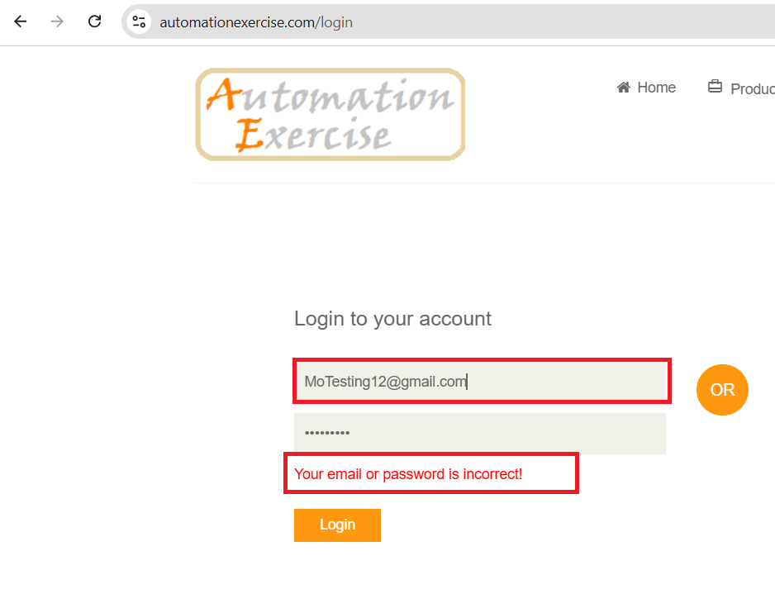 | Low | Opened
B002 | TC007 | User can't restore his password. | Forget Password' link isn't displayed after three wrong trials, which means that user can't restore his password. | 1-Go to login page using this url: https://automationexercise.com/login 2-Fill 'Email Address' with valid data. 3-Fill 'password' with invalid data. 4-Click 'Login' button. 5-Repeat previous steps 4 times." | 1-Email Address: MoTesting1@gmail.com 2-Password: 1234Test! | 1-Login should failed. 2-After 3 wrong trials, 'Forgot Password' link should be displayed. | 1-Login failed 2-The 'Forgot password' link isn't displayed. | Forgot Password.mp4 | High | Opened
B003 | TC010 | The page responds to multiple login requests (spam) | The system responds to all login request till no requests is being sent, then it gets the response. This should be handled by making login button not available after first request or the system just should respond to first request only. | 1-Go to login page using this url: https://automationexercise.com/login 2-Fill 'Email Address' with valid data. 3-Fill 'password' with invalid data. 4-Click 'Login' button multible times. | 1-Email Address: MoTesting1@gmail.com 2-Password: 123Test | 1-Thse system shouldn't crash. 2-The 'login' button shouldn't be clickable. 3-The system should just respond to the first request and be waiting for the response. | 1-Thse system didn't crash. 2-The 'login' button was always clickable. 3-The system responds to all request till no requests is being sent then it gets the response. | Login spam.mp4 | High | Opened

Products
Date | 22/11/2024
ID | Related TC | Title | Description | Steps to reproduce | Test data | Expected results | Actual results | Screenshots / videos | Priority | Status
B001 | TC003 | User can't search by main categories names. | If user searched by main category name, the viewed products are relevant to the name itself not to the category. | 1-Get to the products page using this url: https://automationexercise.com/products 2-Click on 'Search Product' box. 3-Search with valid main category name. 4-Click on search icon. | Search product: kids | 1-Search should be done successfully. 2-Searched Products should be relevant. 3-Searched products should contain various products. | 1-Search was done successfully. 2-Searched Products was relevant to searched category. 3-Searched products doesn't contain various products. | 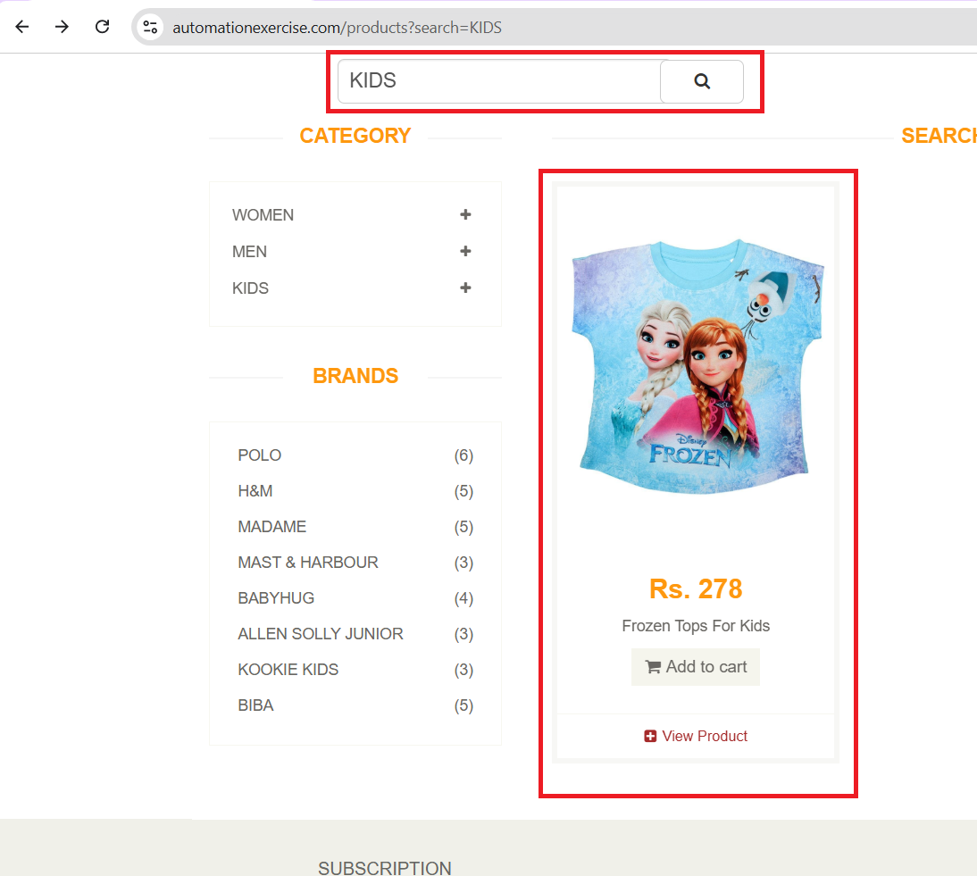 | Low | Opened
B002 | TC007 | User can't search successfully by brand name. | If user searched by brand name, the viewed products are relevant to the name itself not to the brand. | 1-Get to the products page using this url: https://automationexercise.com/products 2-Click on 'Search Product' box. 3-Search with valid brand. 4-Click on search icon. | Search product: Polo | 1-Search should be done successfully. 2-Searched Products should be relevant. 3-Various products relevant to the brand should be viewed. | 1-Search was done successfully. 2-Searched Products was relevant. 3-Just one product relevant to the brand was viewed. | 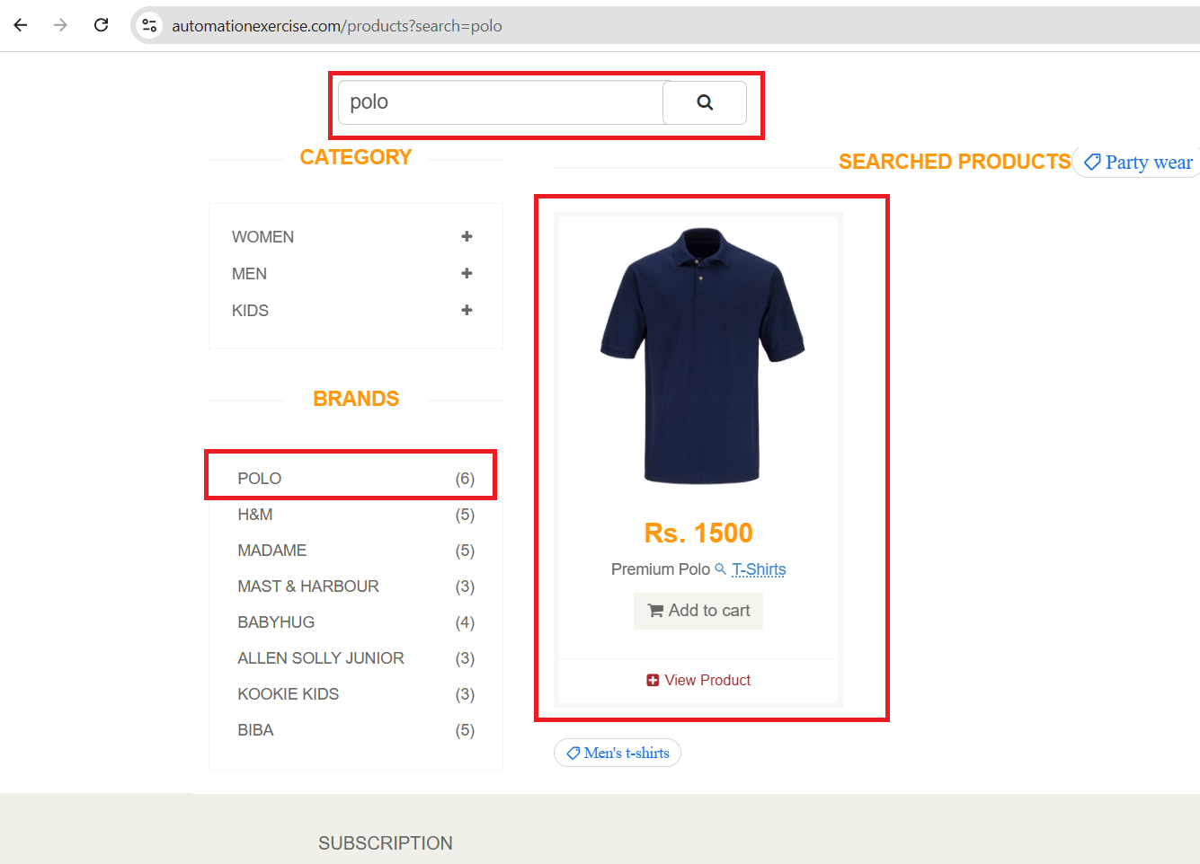 | High | Opened
B003 | - | (Category: KIDS->DRESS) page is disordered and having gaps between products when viewed. | when viewing (Category: KIDS->DRESS), it is shown that there are gaps between products which leads to page disorder. | 1-Get to the products page using this url: https://automationexercise.com/products 2-Click on 'KIDS' in category. 3-Click on 'DRESS' sub category. | Nothing | The products should be ordered with small spaces between them. | There are gaps between products and there is disorder. | 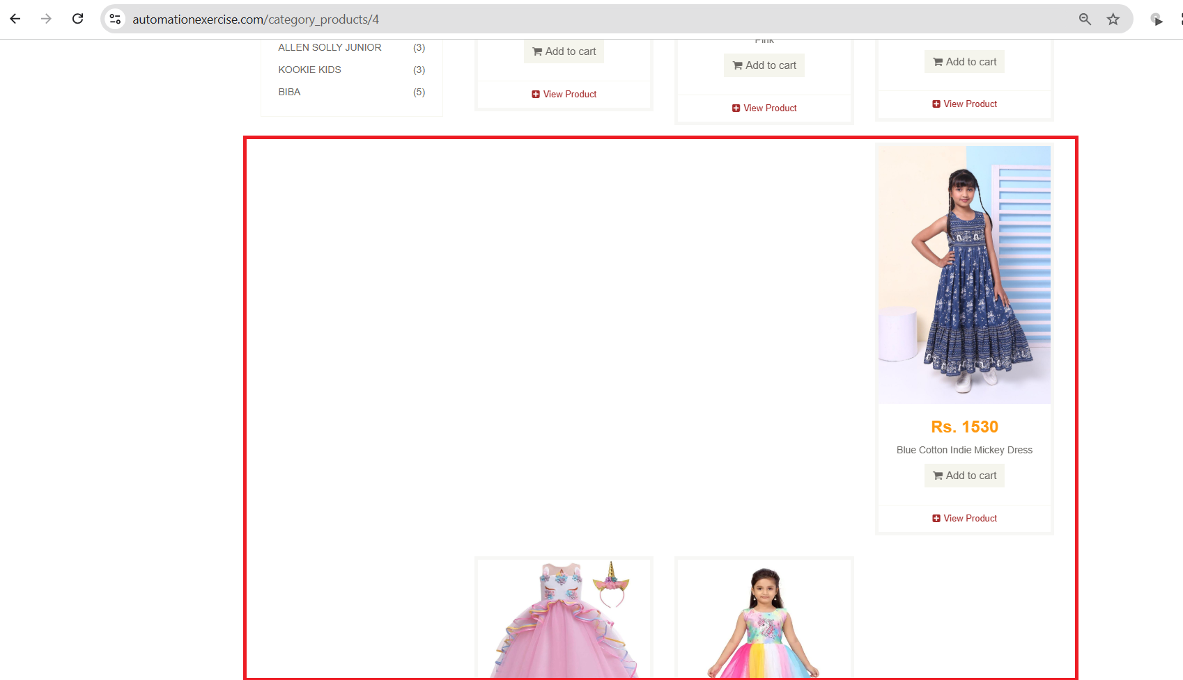 | Low | Opened
B004 | - | (Brands: MADAM) page is disordered and having gaps between products when viewed. | when viewing (Brands: MADAM), it is shown that there are gaps between products which leads to page disorder. | 1-Get to the products page using this url: https://automationexercise.com/products 2-Click on 'MADAM' in brands. | Nothing | The products should be ordered with small spaces between them. | There are gaps between products and there is disorder. | 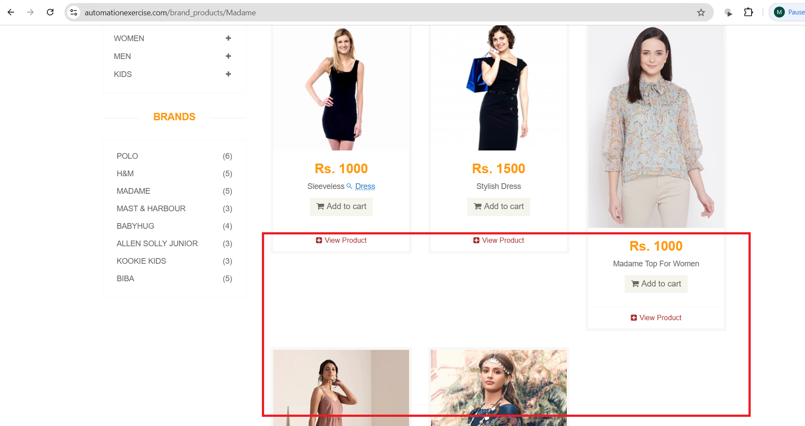 | Low | Opened
B005 | TC012 | There are some missing informations in the product details page about available sizes, colour variety, reviews, shipping information and delivery options. | Product details page should provide all informations and specifications (colours, sizes) about the product and also reviews, shipping information and delivery options. Product details page should satisfy the user by providing all needed informations. This is associated with all products. | 1-Get to the products page using this url: https://automationexercise.com/products 2-Choose any product and select 'View Product'. | Product: Blue Top | 1-The link should be clickable. 2-When clicked, user should redirect users to Product details page. 3-This page should provide all specifications and informations about the product also reviews, shipping information and delivery options. | 1-The link is clickable. 2-it redirects users to Product details page. 3-This page provides informations about the product such as: Category, sub category, brand, colour, availability, ratings and price. 4- It doesn't provide specifications of the product such as: available sizes, colour variety, reviews, shipping information and delivery options. | 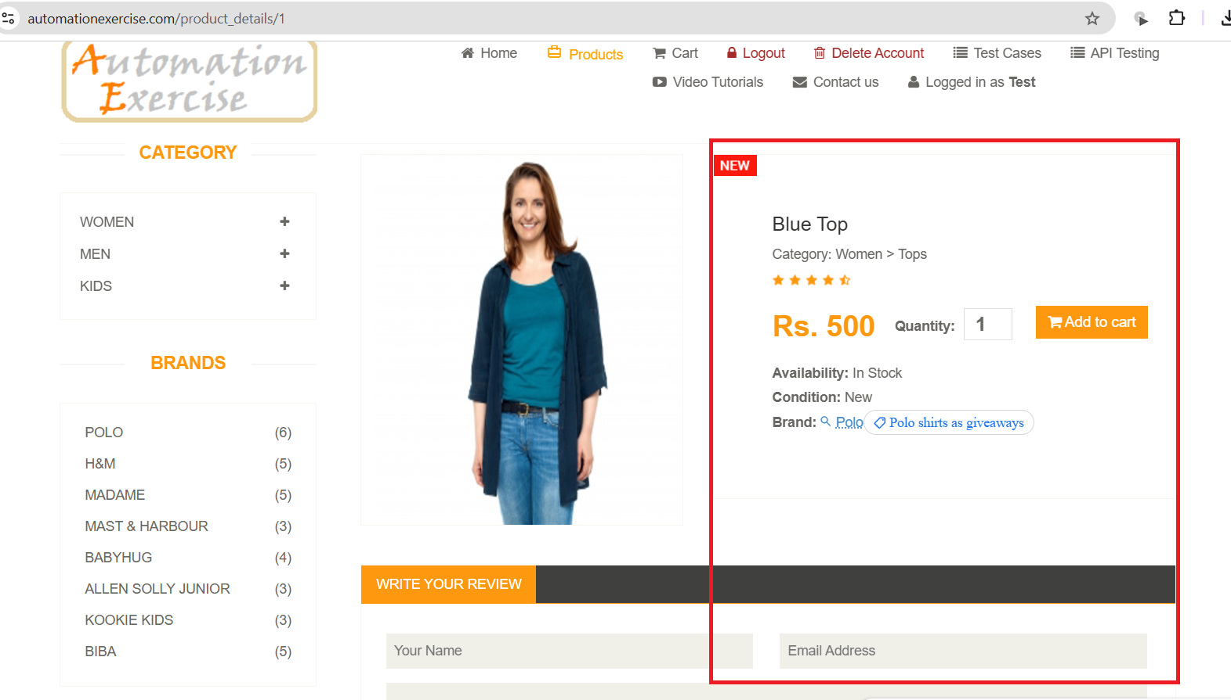 | High | Opened
B006 | TC015 | There is no data validation about 'Name' when adding a review. | When adding a reiview with a name that isn't associated to the submitted email, it is added successfully without validating that this name isn't identical to the one in database. This is associated with all products. | 1-Get to the products page using this url: https://automationexercise.com/products 2-Choose any product and select 'View Product'. 3-Fill 'Your Name' with invalid data. 4-Fill 'Email Address' with valid data. 5-Write your review. 6-Click on 'submit' button. | Product: Blue Top Your Name: Man_test Email Address: MoTesting1@gmail.com Review: There are no specifications and delivery options. | 1-The review submitting should fail. 2-An error message associated with 'Your Name' field should be displayed. 3-The message should be clear and readable. 4-Its content should be relevant to data validation as user name does not meet the saved one that is associated with submitted email. | Review is added successfully. | Review name bug.mp4 | High | Opened
B007 | TC017 | There is no data validation about 'Email Address' when adding a review. | When adding a reiview with an unregistered email, it is added successfully without validating that this Email isn't registered in the database. This is associated with all products. | 1-Get to the products page using this url: https://automationexercise.com/products 2-Choose any product and select 'View Product'. 3-Fill 'Your Name' with valid data. 4-Fill 'Email Address' with unregistered email. 5-Write your review. 6-Click on 'submit' button. | Product: Blue Top Your Name: Test Email Address: MoTest123@gmail.com Review: There are no specifications and delivery options. | 1-The review submitting should fail. 2-An error message associated with 'Email Address' field should be displayed. 3-The message should be clear and readable. 4-Its content should be relevant to the data validation as this email isn't registered. | Review is added successfully. | Review unreg. email bug.mp4 | High | Opened
B008 | TC018 | Submitted reviews can't be viewed somehow. | When submitting a review, it can't be viewed or reached somehow. This may leads to user dissatisfaction as he may think that ratings are unreal. This is associated with all products. | 1-Get to the products page using this url: https://automationexercise.com/products 2-Choose any product and select 'View Product'. 3-Fill 'Your Name' with valid data. 4-Fill 'Email Address' with valid email. 5-Write your review. 6-Click on 'submit' button. | Product: Blue Top Your Name: Test Email Address: MoTesting1@gmail.com Review: There are no specifications and delivery options. | 1-The review should be submitted successfully. 2-After submission, review should be able to be viewed somehow. | 1-The review was submitted successfully. 2-After submission, review wasn't able to be viewed somehow. | 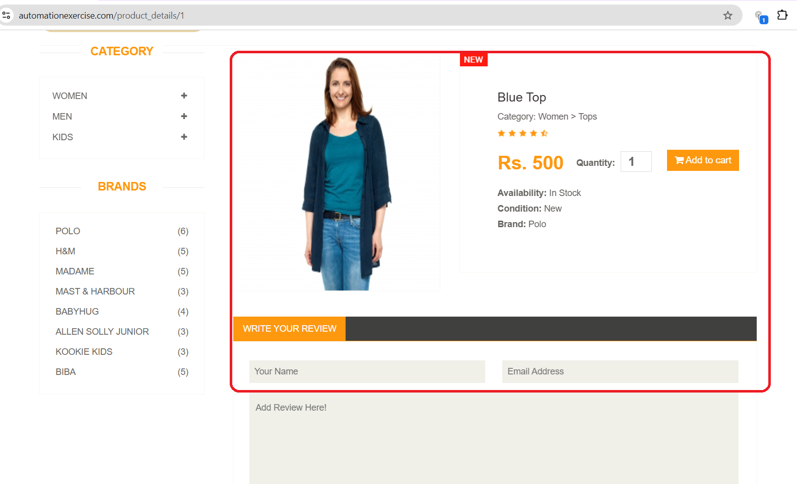 | High | Opened
B009 | TC019 | Reviews can be submitted successfully while internet is disconnected. | After adding all valid information in review fields and pressing submit while internet is disconnected, the review is submitted successfully without any error message about the internet connection. | 1-Get to the products page using this url: https://automationexercise.com/products 2-Choose any product and select 'View Product'. 3-Fill 'Your Name' with valid data. 4-Fill 'Email Address' with valid email. 5-Write your review. 6-Disconnect the internet. 7-Click on 'submit' button. | Product: Men T Shirt Your Name: Test Email Address: MoTesting1@gmail.com Review: There are no specifications and delivery options. | 1-The review submitting should fail. 2-An error message associated with browser regarding internet connection should be displayed. | The review is submitted successfully. | Review internet_connection bug.mp4 | High | Opened

Cart
Date | 22/11/2024
ID | Related TC | Title | Description | Steps to reproduce | Test data | Expected results | Actual results | Screenshots / videos | Priority | Status
B001 | TC006 | Product quantity can't be modified by users in the cart. | There is no way to increment or decrement product quantity in cart. The quantity is fixed and can't be modified by keyboard and there is no arrow buttons for incrementing or decrementing. Unless if user decided to get to 'Product details' page and specifies his wanted additional amount. | 1-Go to product page by using this url: https://automationexercise.com/products 2-Select (KIDS->DRESS) from category. 3-Add product to the cart. 4-Go to 'Cart' . 5-Click on item quantity. 6-Modify it by incrementing or decrementing. | Product: Sleeves Top and Short - Blue & Pink Quantity: 1 | The quantity should be able to be modified by arrow butons or even by keyboard. | The quantity is fixed and can't be modified b users. | Quantity in cart bug.mp4 | High | Opened
B002 | TC010 | Coupons aren't applicable in cart page. | There is no field or text box to for user to apply coupons in the cart page which means received offers can't be applied. And this may disatisfy many users. | 1-Go to product page by using this url: https://automationexercise.com/products 2-Add some products to the cart. 3-Go to 'Cart' . 4-Search for 'coupon code' text box. | Coupon: abdef203sas | 1-A text box for writing coupons should be available. 2-This text box should be clickable and accepts data. | There is no field to apply coupon | 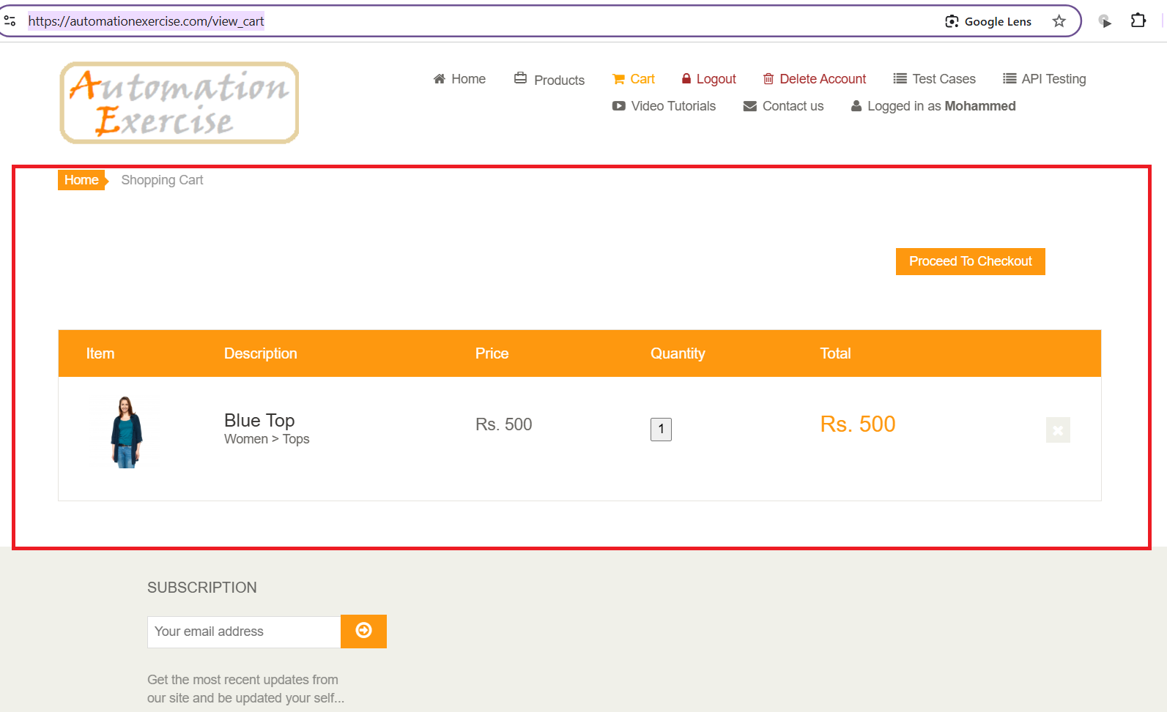 | High | Opened
B003 | TC011 | There isn't any information provided about shipping or delivery in the cart page. | Unavailability of shipping or delivery informations such as: (date of delivery and cost of delivery) will not satisfy users. | 1-Go to product page by using this url: https://automationexercise.com/products 2-Add some products to the cart. 3-Go to 'Cart' . 4-Search for Delivery or shipping informations. | Nothing. | 1-Shipping or delivery informations should be provided somehow in the cart page. 2-These informations shuold be clear and readable. | There isn't any information about delivery or shipping. |  | High | Opened
B004 | TC012 | There isn't any information provided about taxes in the cart page. | User should be aware of taxes informations and payments. | 1-Go to product page by using this url: https://automationexercise.com/products 2-Add some products to the cart. 3-Go to 'Cart' . 4-Search for taxes informations. | Nothing. | 1-Informations about taxes should be provided. 2-These informations should be clear and readable. | There isn't any information about taxes. |  | High | Opened

Payment
Date | 23/11/2024
ID | Related TC | Title | Description | Steps to reproduce | Test data | Expected results | Actual results | Screenshots / videos | Priority | Status
B001 | TC007 | The user has no choice to return back to 'cart' while proceeding to checkout. | While proceeding to checkout, user can't return back to cart page. There is no button or even link that enables the user to return back. unless if he decided to click on 'Cart' link in the header. | 1-Go to 'Product' page using this url: https://automationexercise.com/products 2-Add some products to cart. 3-Go to 'Cart' page. 4-Click on 'Proceed to checkout'. 5-Click on 'View cart' or 'Back' button or link. | Product1: Blue Top Quantity: 3 Price: RS.500 Total price: 1500 Product2: Winter Top Quantity: 2 Price: RS.600 Total price: 1200 Product3: Sleeveless Dress Quantity: 1 Price: RS.1000 Total price: 1000 Total amount: 3700 | 1-There should be a clickable button or link that allows the user returning back to cart. 2-This button or link should be clickable. | 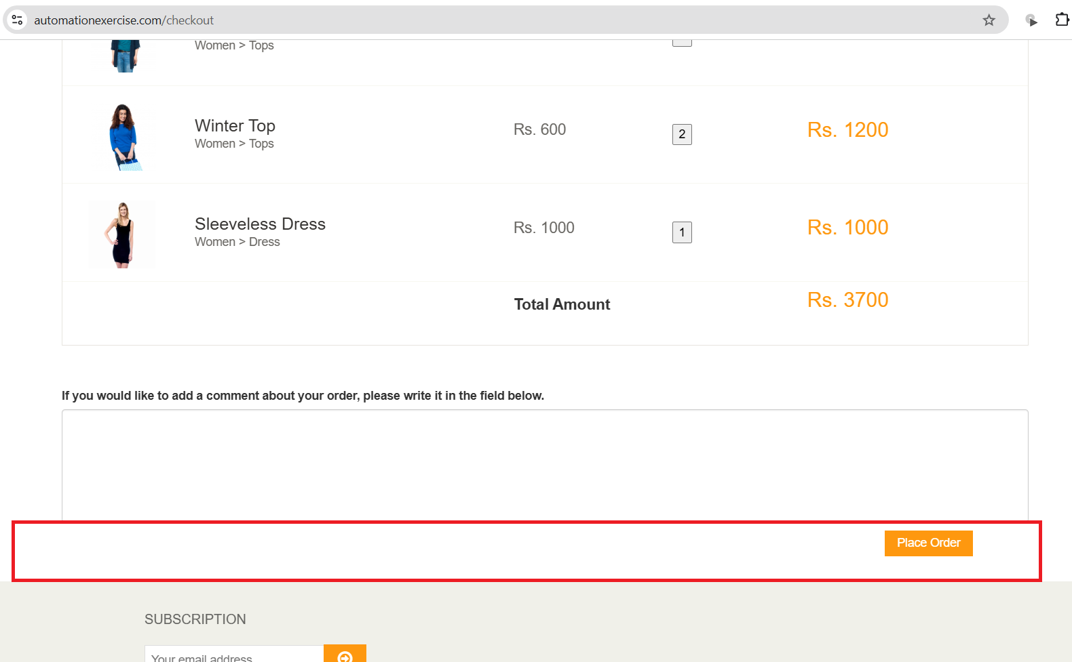 There is no choice to get back to cart neither button nor link. |  | Low | Opened
B002 | TC009 | There are no different payment options for user to choose the suitable for him. | User should has different payment options as: (Credit card, Debit card, Net banking, cash on delivery or any other options) to make it easy for all users to get orders. | 1-Go to 'Product' page using this url: https://automationexercise.com/products 2-Add some products to cart. 3-Go to 'Cart' page. 4-Click on 'Proceed to checkout' button. 5-Click on 'Place order' button. 6-Navigate payment options. | Product1: Blue Top Quantity: 3 Price: RS.500 Total price: 1500 Product2: Winter Top Quantity: 2 Price: RS.600 Total price: 1200 Product3: Sleeveless Dress Quantity: 1 Price: RS.1000 Total price: 1000 Total amount: 3700 | 1-There should be different options for payment. 2-User should be allowed to navigate between them and choose what is suitable. | There is just one option for payment which is by using credit card. | 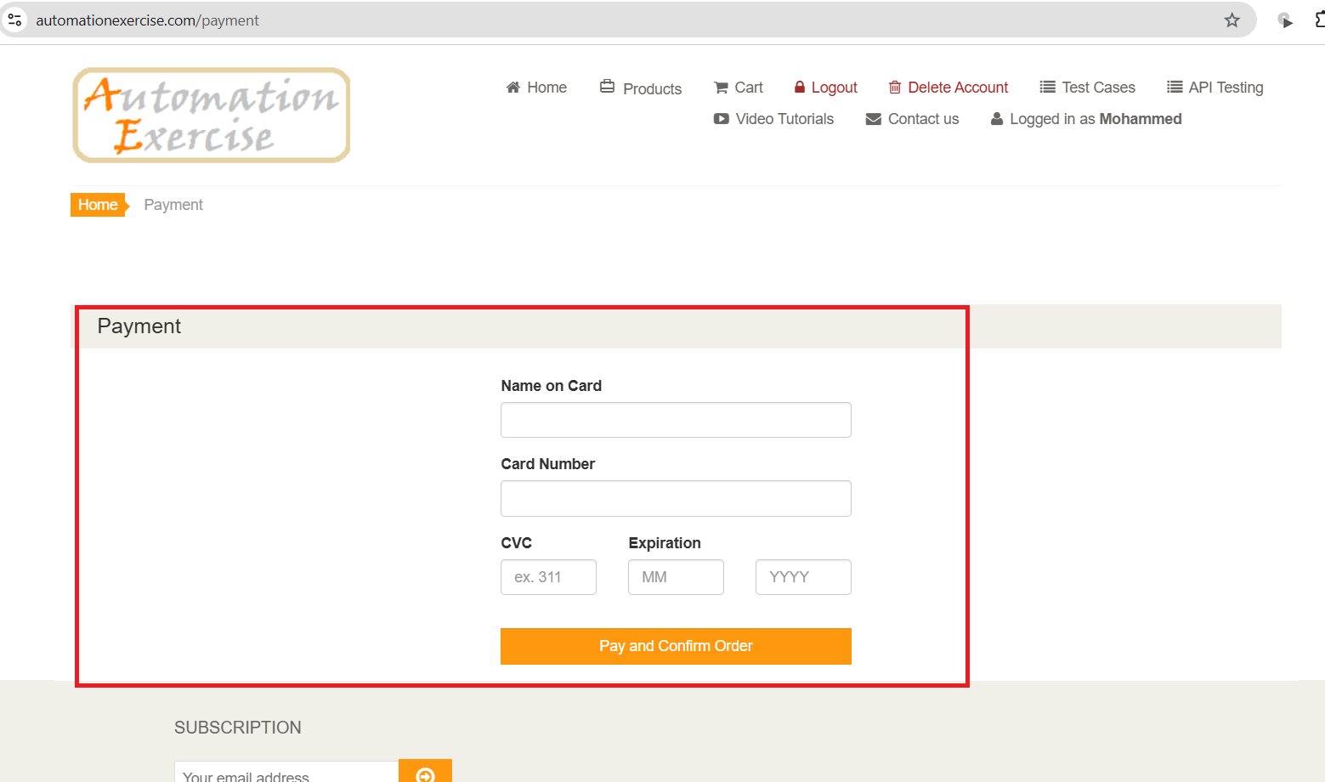 | High | Opened
B003 | TC011 | Name on card' field in payment page accepts invalid data that is composed of only numbers. | User can place an order successfully while submitting a 'Name on card' that is composed of only numbers. This case has no probability to occur in real life as there is no bank will accept these data. | 1-Go to 'Product' page using this url: https://automationexercise.com/products 2-Add some products to cart. 3-Go to 'Cart' page. 4-Click on 'Proceed to checkout' button. 5-Click on 'Place order' button. 6-Fill 'Name on card' with invalid data. 7-Fill 'Card Number' with valid data. 8-Fill 'CVC' with valid data. 9-Fill 'Expiration' with valid data. 10-Click on 'Pay and confirm order'. | Name on card: 1234567890 Card Number: 3566000020000410 CVC: 123 Expiration: 02/2026 | 1-An error message associated to 'Name on card' field should be displayed. 2-This message should be clear and readable. 3-This message should tell user that this field accepts only names (letters with spaces). | The order is placed successfully. | Name on card bug1.mp4 | High | Opened
B004 | TC012 | Name on card' field in payment page accepts invalid data that is composed of only spaces. | User can place an order successfully while submitting a 'Name on card' that is composed of only spaces. This case has no probability to occur in real life. | 1-Go to 'Product' page using this url: https://automationexercise.com/products 2-Add some products to cart. 3-Go to 'Cart' page. 4-Click on 'Proceed to checkout' button. 5-Click on 'Place order' button. 6-Fill 'Name on card' with invalid data. 7-Fill 'Card Number' with valid data. 8-Fill 'CVC' with valid data. 9-Fill 'Expiration' with valid data. 10-Click on 'Pay and confirm order'. | Name on card: ' ' Card Number: 3566000020000410 CVC: 123 Expiration: 02/2026 | 1-An error message associated with 'Name on card' field should be displayed. 2-This message should be clear and readable. 3-This message should tell user that this field accepts only names (letters with spaces). | The order is placed successfully. | Name on card bug2.mp4 | High | Opened
B005 | TC013 | While submitting 'Card number', digits was visible and clear. | Card number' should be replaced by stars while submitting payments. It isn't accepted for users that card number is visible especially if they are in a public place. | 1-Go to 'Product' page using this url: https://automationexercise.com/products 2-Add some products to cart. 3-Go to 'Cart' page. 4-Click on 'Proceed to checkout'. 5-Click on 'Place order' button. 6-Fill 'Name on card' with valid data. 7-Fill 'Card Number' with any data. | Name on card: Test Card Number: 3566000020000410 CVC: 123 Expiration: 02/26 | When user writes card number, it should be hidden and submitted as stars. | Card number is clear and visible. | 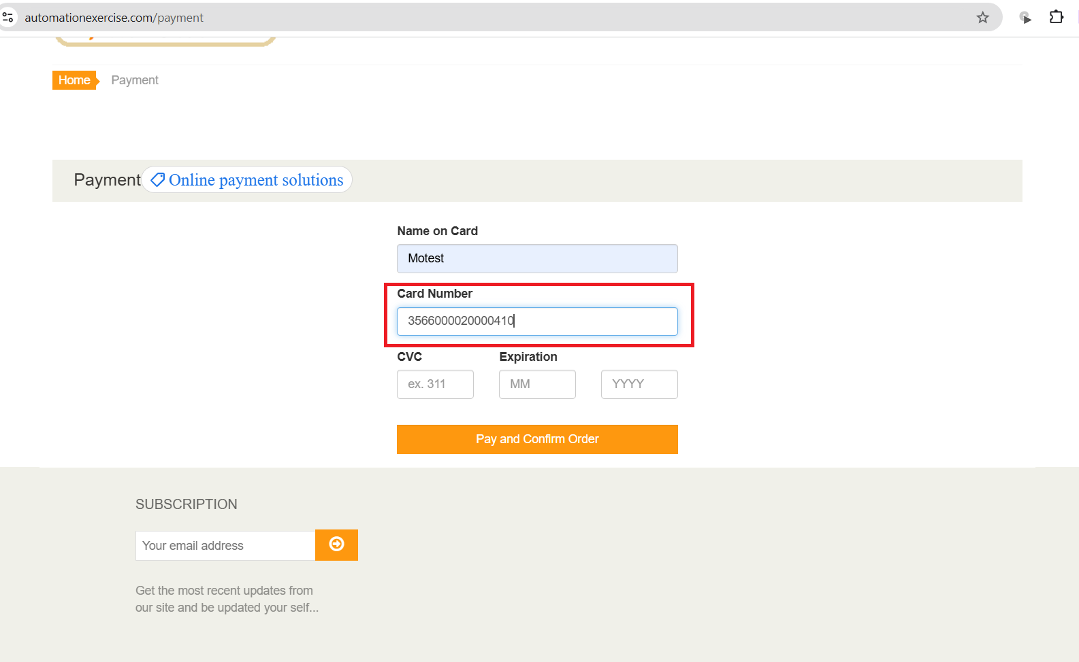 | High | Opened
B006 | TC014, TC015 | Card Number' accepts invalid data that is composed of 15 or 17 digits. | Limitations should be added to 'Card number' field as it accepts any number of digits while it should accept 16 digits. | 1-Go to 'Product' page using this url: https://automationexercise.com/products 2-Add some products to cart. 3-Go to 'Cart' page. 4-Click on 'Proceed to checkout'. 5-Click on 'Place order' button. 6-Fill 'Name on card' with valid data. 7-Fill 'Card Number' with invalid data. 8-Fill 'CVC' with valid data. 9-Fill 'Expiration' with valid data. 10-Click on 'Pay and confirm order'. | Name on card: MoTest Card Number 1: 356600002000041 Card Number2: 35660000200004101 CVC: 123 Expiration: 02/2026 | 1-Payment should fail. 2-An error message associated with 'Card Number' should be displayed. 3-This message should tell users that this field accepts 16 digits. | Payment is done successfully. | Card number bug1.mp4 Card number bug2.mp4 | High | Opened
B007 | TC016 | Card Number' accepts invalid data that is composed of letters and special characters. | Card number' Shouldn't accept letters or special characters. This will lead to incorrect orders and unuseful usage of database. | 1-Go to 'Product' page using this url: https://automationexercise.com/products 2-Add some products to cart. 3-Go to 'Cart' page. 4-Click on 'Proceed to checkout'. 5-Click on 'Place order' button. 6-Fill 'Name on card' with valid data. 7-Fill 'Card Number' with invalid data. 8-Fill 'CVC' with valid data. 9-Fill 'Expiration' with valid data. 10-Click on 'Pay and confirm order'. | Name on card: MoTest Card Number: abclnkd#! CVC: 123 Expiration: 02/2026 | 1-Payment should fail. 2-An error message associated with 'Card Number' should be displayed. 3-This message should tell users that this field accepts 16 digits that are composed of numbers. | Payment is done successfully. | Card number bug3.mp4 | High | Opened
B008 | TC017 | Card Number' accepts invalid data that is composed of just spaces. | Card number' Shouldn't accept any data format except numbers. User can use spaces as a 'Card Number' and this will lead to incorrect orders and unuseful usage of database. | 1-Go to 'Product' page using this url: https://automationexercise.com/products 2-Add some products to cart. 3-Go to 'Cart' page. 4-Click on 'Proceed to checkout'. 5-Click on 'Place order' button. 6-Fill 'Name on card' with valid data. 7-Fill 'Card Number' with invalid data. 8-Fill 'CVC' with valid data. 9-Fill 'Expiration' with valid data. 10-Click on 'Pay and confirm order'. | Name on card: MoTest Card Number: ' ' CVC: 123 Expiration: 02/2026 | 1-Payment should fail. 2-An error message associated with 'Card Number' should be displayed. 3-This message should tell users that this field accepts 16 digits that are composed of numbers. | Payment is done successfully. | Card number bug4.mp4 | High | Opened
B009 | TC019 | While submitting 'CVC', digits was visible and clear instead of being changed to stars. | CVC' should be replaced by stars while submitting payments. It isn't accepted for users that card number is visible especially if they are in a public place. | 1-Go to 'Product' page using this url: https://automationexercise.com/products 2-Add some products to cart. 3-Go to 'Cart' page. 4-Click on 'Proceed to checkout'. 5-Click on 'Place order' button. 6-Fill 'Name on card' with valid data. 7-Fill 'Card Number' with valid data. 8-Fill 'CVC' wit valid data. | Name on card: MoTest Card Number: 3566000020000410 CVC: 123 Expiration: 02/2026 | When user submits CVC, it should be hidden and submitted as stars. | CVC is clear and visible. | 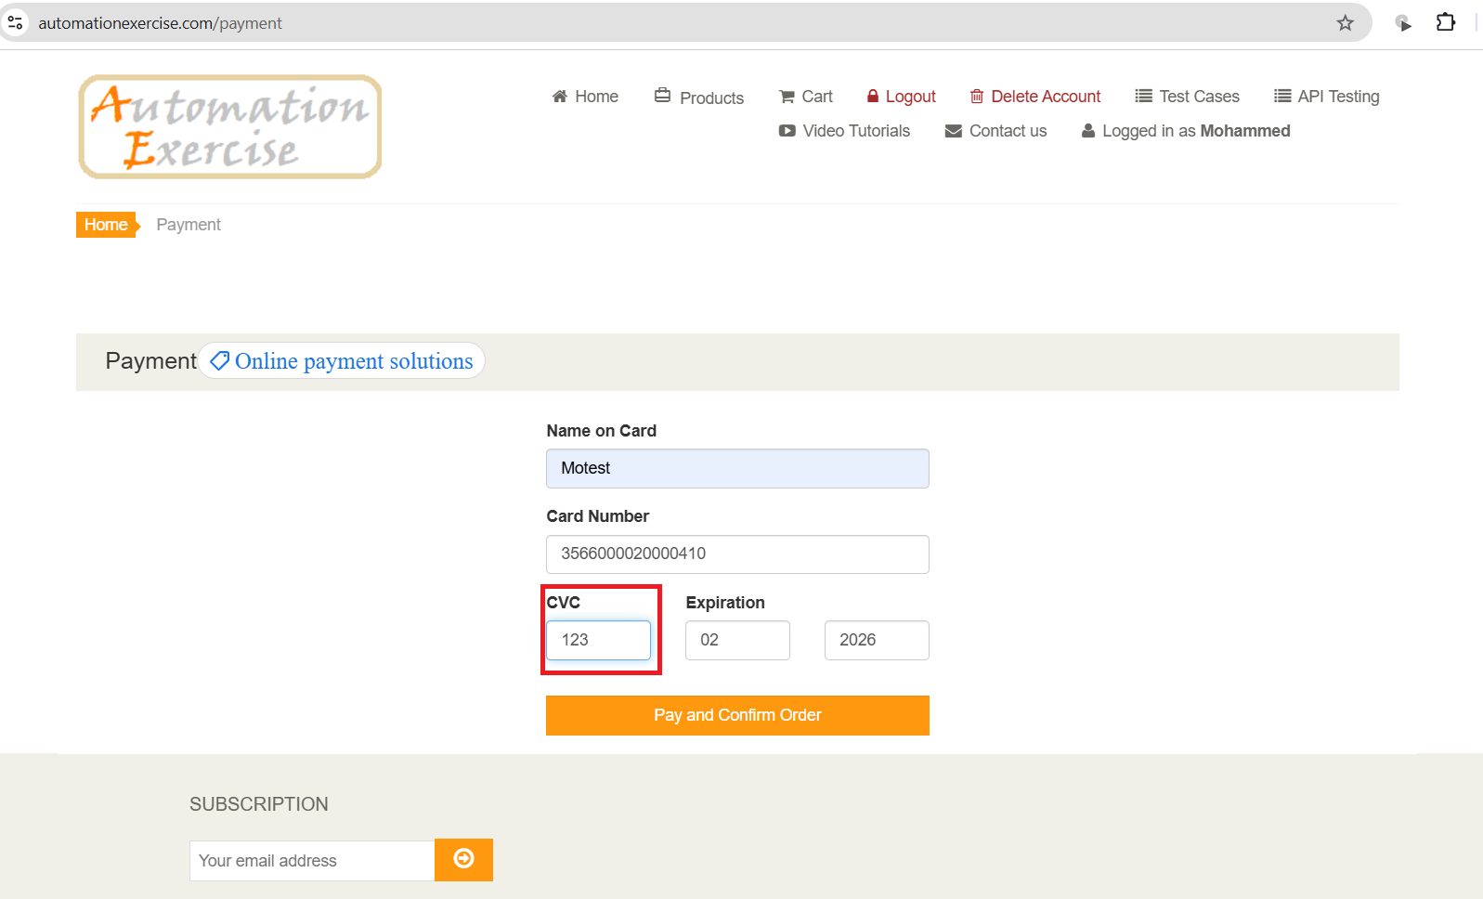 | High | Opened
B010 | TC020 | CVC' field accepts invalid data that is composed of 2 digits. | CVC' field should have constraints that force users to use valid data composed of 3 digits. Accepting invalid data of 2 digits in 'CVC' field means wrong informations which leads to successful invalid orders. | 1-Go to 'Product' page using this url: https://automationexercise.com/products 2-Add some products to cart. 3-Go to 'Cart' page. 4-Click on 'Proceed to checkout'. 5-Click on 'Place order' button. 6-Fill 'Name on card' with valid data. 7-Fill 'Card Number' with valid data. 8-Fill 'CVC' with invalid data. 9-Fill 'Expiration' with valid data. 10-Click on 'Pay and confirm order'. | Name on card: MoTest Card Number: 3566000020000410 CVC: 12 Expiration: 02/2026 | 1-Payment should fail. 2-An error message associated with 'CVC' field should be displayed. 3-This message should inform users that this field accepts only 3 digits. | Payment is done successfully. | CVC bug1.mp4 | High | Opened
B011 | TC021 | CVC' field accepts invalid data that is composed of 4 digits. | CVC' field should have constraints that force users to use valid data composed of 3 digits. Accepting invalid data of 4 digits in 'CVC' field means wrong informations which leads to successful invalid orders. | 1-Go to 'Product' page using this url: https://automationexercise.com/products 2-Add some products to cart. 3-Go to 'Cart' page. 4-Click on 'Proceed to checkout'. 5-Click on 'Place order' button. 6-Fill 'Name on card' with valid data. 7-Fill 'Card Number' with valid data. 8-Fill 'CVC' with invalid data. 9-Fill 'Expiration' with valid data. 10-Click on 'Pay and confirm order'. | Name on card: MoTest Card Number: 3566000020000410 CVC: 1234 Expiration: 02/2026 | 1-Payment should fail. 2-An error message associated with 'CVC' field should be displayed. 3-This message should inform users that this field accepts only 3 digits. | Payment is done successfully. | CVC bug2.mp4 | High | Opened
B012 | TC022, TC023 | CVC' field accepts invalid data that is composed of letters or spaces. | CVC' field should have constraints that force users to use valid data composed of 3 digits. Accepting invalid data of 4 digits in 'CVC' field means wrong informations which leads to successful invalid orders. | 1-Go to 'Product' page using this url: https://automationexercise.com/products 2-Add some products to cart. 3-Go to 'Cart' page. 4-Click on 'Proceed to checkout'. 5-Click on 'Place order' button. 6-Fill 'Name on card' with valid data. 7-Fill 'Card Number' with valid data. 8-Fill 'CVC' with invalid data. 9-Fill 'Expiration' with valid data. 10-Click on 'Pay and confirm order'. | Name on card: MoTest Card Number: 3566000020000410 CVC1: abc CVC2: ' ' Expiration: 02/2026 | 1-Payment should fail. 2-An error message associated with 'CVC' field should be displayed. 3-This message should inform users that this field accepts only 3 digits that must contain numbers only. | Payment is done successfully. | CVC bug3.mp4 CVC bug4.mp4 | High | Opened
B013 | TC025 | Expiration day' field accepts invalid data that is composed of one digits instead of two as indicated in the field. | Expiration date' should accept only 2 digits as indicated in its field, but it accepted one digit. This may be confusing for users. | 1-Go to 'Product' page using this url: https://automationexercise.com/products 2-Add some products to cart. 3-Go to 'Cart' page. 4-Click on 'Proceed to checkout'. 5-Click on 'Place order' button. 6-Fill 'Name on card' with valid data. 7-Fill 'Card Number' with valid data. 8-Fill 'CVC' with valid data. 9-Fill 'Expiration day' with invalid data. 10-Fill 'Expiration year' with valid data. 11-Click on 'Pay and confirm order'. | Name on card: MoTest Card Number: 3566000020000410 CVC: 123 Expiration day: 2 Expiration year: 2026 | 1-Payment should fail. 2-An error message associated with 'Expiration day' field should be displayed. 3-This message should tell users that this field accepts 2 digits. | Payment is done successfully. | Exp. day bug1.mp4 | Low | Opened
B014 | TC026 | Expiration day' field accepts invalid data that is composed of three digits instead of two as indicated in the field. | Expiration date' should accept only 2 digits as indicated in its field, but it accepted 3 digits. This means that user can enter a number that exceeds 31 and this is impossible to be accepted as a day. | 1-Go to 'Product' page using this url: https://automationexercise.com/products 2-Add some products to cart. 3-Go to 'Cart' page. 4-Click on 'Proceed to checkout'. 5-Click on 'Place order' button. 6-Fill 'Name on card' with valid data. 7-Fill 'Card Number' with valid data. 8-Fill 'CVC' with valid data. 9-Fill 'Expiration day' with invalid data. 10-Fill 'Expiration year' with valid data. 11-Click on 'Pay and confirm order'. | Name on card: MoTest Card Number: 3566000020000410 CVC: 123 Expiration day: 123 Expiration year: 2026 | 1-Payment should fail. 2-An error message associated with 'Expiration day' field should be displayed. 3-This message should tell users that this field accepts 2 digits that shouldn't exceed 31. | Payment is done successfully. | Exp. day bug2.mp4 | High | Opened
B015 | TC027, TC028 | Expiration day' field accepts invalid data that is composed of letters, special characters and spaces. | Expiration date' should accept only 2 digits as indicated in its field, but it accepted 3 digits. Instead of that, this field accepts any data with any number of digits. | 1-Go to 'Product' page using this url: https://automationexercise.com/products 2-Add some products to cart. 3-Go to 'Cart' page. 4-Click on 'Proceed to checkout'. 5-Click on 'Place order' button. 6-Fill 'Name on card' with valid data. 7-Fill 'Card Number' with valid data. 8-Fill 'CVC' with valid data. 9-Fill 'Expiration day' with invalid data. 10-Fill 'Expiration year' with valid data. 11-Click on 'Pay and confirm order'. | Name on card: MoTest Card Number: 3566000020000410 CVC: 123 Expiration day1: ab$ Expiration day2: ' ' Expiration year: 2026 | 1-Payment should fail. 2-An error message associated with 'Expiration day' field should be displayed. 3-This message should tell users that this field accepts 2 digits and must contain number. | Payment is done successfully. | Exp. day bug3.mp4 Exp. day bug4.mp4 | High | Opened
B016 | TC030 | Expiration year' field accepts invalid data that is composed of 3 digits instead of 4. | User can submit payment information with an expiration date that contain 3 digit in year field which means that this field accepts years in the past. | 1-Go to 'Product' page using this url: https://automationexercise.com/products 2-Add some products to cart. 3-Go to 'Cart' page. 4-Click on 'Proceed to checkout'. 5-Click on 'Place order' button. 6-Fill 'Name on card' with valid data. 7-Fill 'Card Number' with valid data. 8-Fill 'CVC' with valid data. 9-Fill 'Expiration Day' with valid data. 10-Fill 'Expiration year' with invalid data. 11-Click on 'Pay and confirm order'." | Name on card: MoTest Card Number: 3566000020000410 CVC: 123 Expiration day: 05 Expiration year: 202 | 1-Payment should fail. 2-An error message associated with 'Expiration year' field should be displayed. 3-This message should tell users that this field accepts only 4 digits. | Payment is done successfully. | Exp. year bug1.mp4 | High | Opened
B017 | TC031 | Expiration year' field accepts invalid data that is composed of 5 digits instead of 4. | User can submit payment information with an expiration date that contain 5 digits in year field which means that this field accepts years that is not reasonable to be accepted. | 1-Go to 'Product' page using this url: https://automationexercise.com/products 2-Add some products to cart. 3-Go to 'Cart' page. 4-Click on 'Proceed to checkout'. 5-Click on 'Place order' button. 6-Fill 'Name on card' with valid data. 7-Fill 'Card Number' with valid data. 8-Fill 'CVC' with valid data. 9-Fill 'Expiration Day' with valid data. 10-Fill 'Expiration year' with invalid data. 11-Click on 'Pay and confirm order'. | Name on card: MoTest Card Number: 3566000020000410 CVC: 123 Expiration day: 05 Expiration year: 20226 | 1-Payment should fail. 2-An error message associated with 'Expiration year' field should be displayed. 3-This message should tell users that this field accepts only 4 digits. | Payment is done successfully. | Exp. year bug2.mp4 | High | Opened
B018 | TC032, TC033 | Expiration year' field accepts invalid data that is composed of letters, special characters and spaces. | User can submit payment information with an expiration date that contain spaces, letters or special characters in year field, while this field should accept only 4 digits of numbers. | 1-Go to 'Product' page using this url: https://automationexercise.com/products 2-Add some products to cart. 3-Go to 'Cart' page. 4-Click on 'Proceed to checkout'. 5-Click on 'Place order' button. 6-Fill 'Name on card' with valid data. 7-Fill 'Card Number' with valid data. 8-Fill 'CVC' with valid data. 9-Fill 'Expiration Day' with valid data. 10-Fill 'Expiration year' with invalid data. 11-Click on 'Pay and confirm order'. | Name on card: MoTest Card Number: 3566000020000410 CVC: 123 Expiration day: 05 Expiration year1: ab!@ Expiration year2: ' ' | 1-Payment should fail. 2-An error message associated with 'Expiration year' field should be displayed. 3-This message should tell users that this field accepts only 4 digits of numbers. | Payment is done successfully. | Exp. year bug3.mp4 Exp. year bug4.mp4 | High | Opened
B019 | TC034 | The displayed confirmation message after a successful order doesn't contain the order number or date of delivery. | After placing an order successfully, user should have a confirmation message with the order number and date of delivery so that user can track his order. | 1-Go to 'Product' page using this url: https://automationexercise.com/products 2-Add some products to cart. 3-Go to 'Cart' page. 4-Click on 'Proceed to checkout'. 5-Click on 'Place order' button. 6-Fill 'Name on card' with valid data. 7-Fill 'Card Number' with valid data. 8-Fill 'CVC' with valid data. 9-Fill 'Expiration Day' with valid data. 10-Fill 'Expiration year' with valid data. 11-Click on 'Pay and confirm order'. | Name on card: MoTest Card Number: 3566000020000410 CVC: 123 Expiration day: 05 Expiration year: 2026 | 1-Payment should be done successfully. 2-A confirmation message should be displayed. 3-This message should contain order number and date of delivery | 1-Payment was done successfully. 2-A confirmation message was displayed. 3-This message doesn't contain order number or date of delivery, it just confirms that the order is done successfully. | 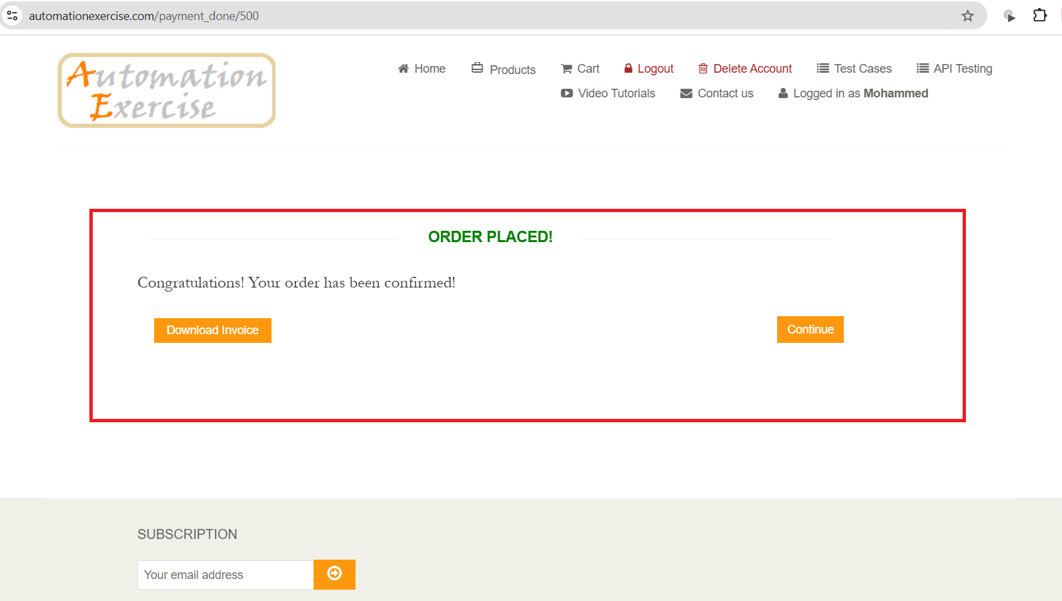 | High | Opened
B020 | TC037 | Orders can't be viewed, changed, canceled or tracked. | There is no way to view orders history, which means users can't track, change or cancel thier orders. | Search for 'Orders' to view it. | Nothing | 1-There should be an 'order' page. 2-Viewed should be able to be viewed, tracked, canceled or changed. | There is no way to view orders history. | 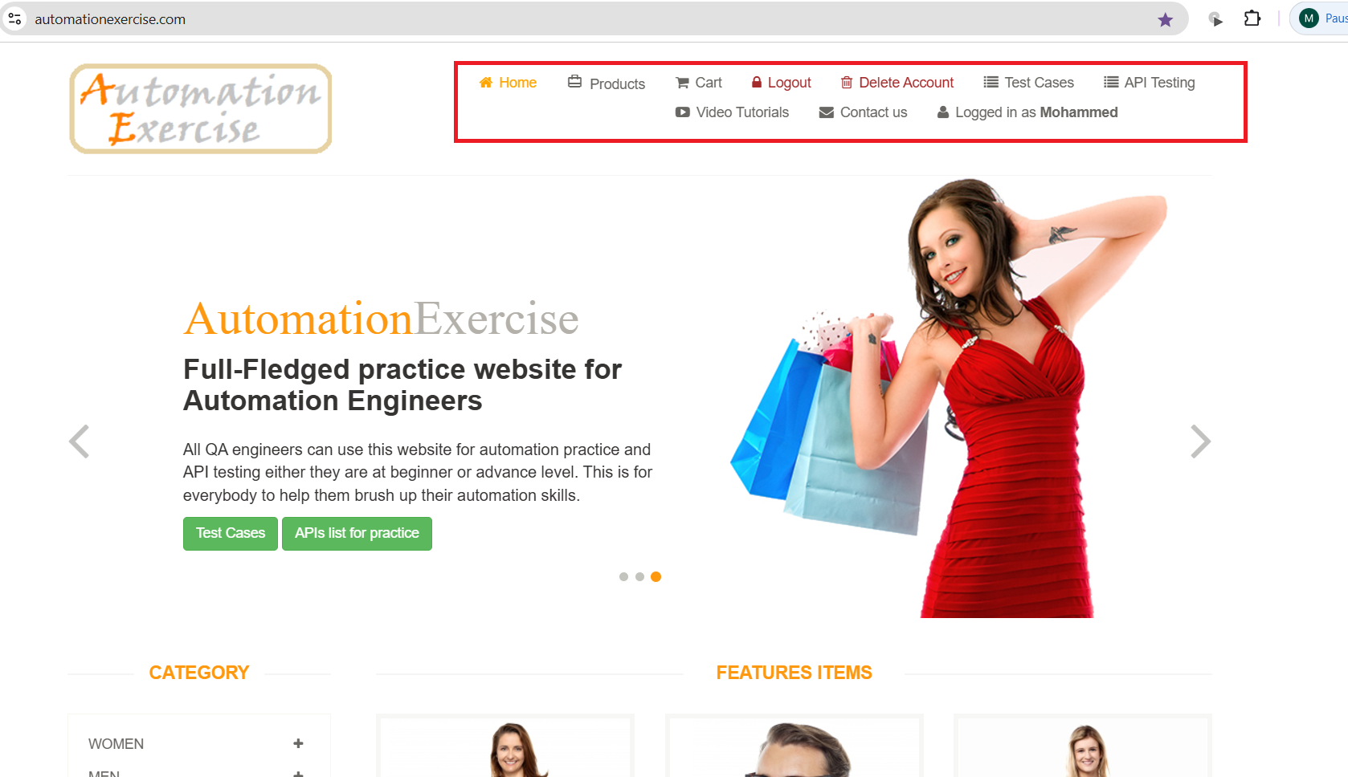 | High | Opened

